Generation Capacity by Type
Capacity by Scenario and Fuel Type (MW)
Reference Case |  |  |  |  |  |  |  |  |  |  | Additional Cogen Info
Year | Coal-fired | Cogeneration | Combined Cycle | Simple Cycle | Coal-to- Gas | Hydro | Wind | Solar | Other | Total | Source: | http://www.auc.ab.ca/Shared%20Documents/InstalledCapacity.pdf#search=cogen
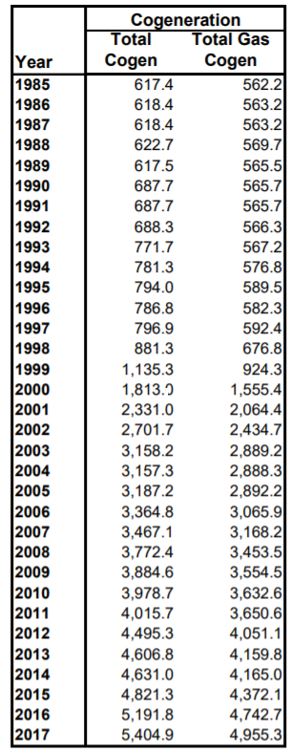
2017* | 6,299 | 4,934 | 1,746 | 916 | 0 | 894 | 1,445 | 0 | 479 | 16,713
2022 | 3,849 | 5,024 | 1,746 | 1,059 | 1,581 | 894 | 3,045 | 200 | 479 | 17,877
2027 | 2,904 | 5,114 | 2,656 | 1,249 | 2,371 | 894 | 5,045 | 400 | 479 | 21,112
2032 | 0 | 5,204 | 5,386 | 1,486 | 2,371 | 1,244 | 6,445 | 700 | 479 | 23,315
2037 | 0 | 5,339 | 6,751 | 2,769 | 790 | 1,244 | 6,445 | 1,000 | 479 | 24,817

Low Growth
Year | Coal-fired | Cogeneration | Combined Cycle | Simple Cycle | Coal-to- Gas | Hydro | Wind | Solar | Other | Total
2017* | 6,299 | 4,934 | 1,746 | 916 | 0 | 894 | 1,445 | 0 | 479 | 16,713
2022 | 3,849 | 4,934 | 1,746 | 916 | 1,581 | 894 | 2,945 | 200 | 479 | 17,544
2027 | 2,904 | 4,934 | 1,746 | 916 | 2,371 | 894 | 4,695 | 400 | 479 | 19,339
2032 | 0 | 4,934 | 4,931 | 964 | 2,371 | 1,244 | 5,745 | 700 | 479 | 21,368
2037 | 0 | 4,934 | 5,841 | 2,389 | 790 | 1,244 | 5,745 | 1,000 | 479 | 22,422

High Coal-to-Gas
Year | Coal-fired | Cogeneration | Combined Cycle | Simple Cycle | Coal-to- Gas | Hydro | Wind | Solar | Other | Total
2017* | 6,299 | 4,934 | 1,746 | 916 | 0 | 894 | 1,445 | 0 | 479 | 16,713
2022 | 3,849 | 5,024 | 1,746 | 916 | 1,581 | 894 | 3,045 | 200 | 479 | 17,734
2027 | 2,904 | 5,114 | 2,201 | 916 | 2,526 | 894 | 5,045 | 400 | 479 | 20,479
2032 | 0 | 5,204 | 3,111 | 916 | 5,430 | 1,244 | 6,445 | 700 | 479 | 23,529
2037 | 0 | 5,339 | 5,841 | 916 | 3,849 | 1,244 | 6,445 | 1,000 | 479 | 25,113

No Coal-to-Gas
Year | Coal-fired | Cogeneration | Combined Cycle | Simple Cycle | Coal-to- Gas | Hydro | Wind | Solar | Other | Total
2017* | 6,299 | 4,934 | 1,746 | 916 | 0 | 894 | 1,445 | 0 | 479 | 16,713
2022 | 5,430 | 5,024 | 1,746 | 1,059 | 0 | 894 | 3,045 | 200 | 479 | 17,877
2027 | 3,309 | 5,114 | 3,566 | 2,056 | 0 | 894 | 5,045 | 400 | 479 | 20,863
2032 | 0 | 5,204 | 6,751 | 2,816 | 0 | 1,244 | 6,445 | 700 | 479 | 23,639
2037 | 0 | 5,339 | 6,751 | 2,864 | 0 | 1,244 | 6,445 | 1,000 | 479 | 24,122

Large-hydro Addition
Year | Coal-fired | Cogeneration | Combined Cycle | Simple Cycle | Coal-to- Gas | Hydro | Wind | Solar | Other | Total
2017* | 6,299 | 4,934 | 1,746 | 916 | 0 | 894 | 1,445 | 0 | 479 | 16,713
2022 | 3,849 | 5,024 | 1,746 | 964 | 1,581 | 894 | 3,045 | 200 | 479 | 17,782
2027 | 2,904 | 5,114 | 2,656 | 964 | 2,371 | 894 | 5,045 | 400 | 479 | 20,827
2032 | 0 | 5,204 | 5,386 | 1,249 | 2,371 | 1,414 | 6,445 | 700 | 479 | 23,248
2037 | 0 | 5,339 | 5,841 | 2,484 | 790 | 2,414 | 6,445 | 1,000 | 479 | 24,792

Western Integration
Year | Coal-fired | Cogeneration | Combined Cycle | Simple Cycle | Coal-to- Gas | Hydro | Wind | Solar | Other | Total
2017* | 6,299 | 4,934 | 1,746 | 916 | 0 | 894 | 1,445 | 0 | 479 | 16,713
2022 | 3,849 | 5,024 | 1,746 | 916 | 1,581 | 894 | 3,045 | 200 | 479 | 17,734
2027 | 2,904 | 5,114 | 2,656 | 916 | 2,371 | 894 | 5,045 | 400 | 479 | 20,779
2032 | 0 | 5,204 | 5,841 | 916 | 2,371 | 1,244 | 6,445 | 700 | 479 | 23,200
2037 | 0 | 5,339 | 6,296 | 2,151 | 790 | 1,244 | 6,445 | 1,000 | 479 | 23,744

High Cogeneration
Year | Coal-fired | Cogeneration | Combined Cycle | Simple Cycle | Coal-to- Gas | Hydro | Wind | Solar | Other | Total
2017* | 6,299 | 4,934 | 1,746 | 916 | 0 | 894 | 1,445 | 0 | 479 | 16,713
2022 | 3,849 | 5,484 | 1,746 | 916 | 1,581 | 894 | 3,045 | 200 | 479 | 18,194
2027 | 2,904 | 6,029 | 1,746 | 916 | 2,371 | 894 | 5,045 | 400 | 479 | 20,784
2032 | 0 | 6,389 | 4,476 | 1,106 | 2,371 | 1,244 | 6,445 | 700 | 479 | 23,210
2037 | 0 | 6,659 | 5,386 | 2,436 | 790 | 1,244 | 6,445 | 1,000 | 479 | 24,439
*Future Capacity as of the end of year, Existing Capacity includes under-construction projects.
Source: AESO

Coal Phase Out
Note:
Coal phase out timeline comes from AESO LTO and plant capacity comes from AESO Current Supply Demand Report, accessed: June 11, 2018 09:16
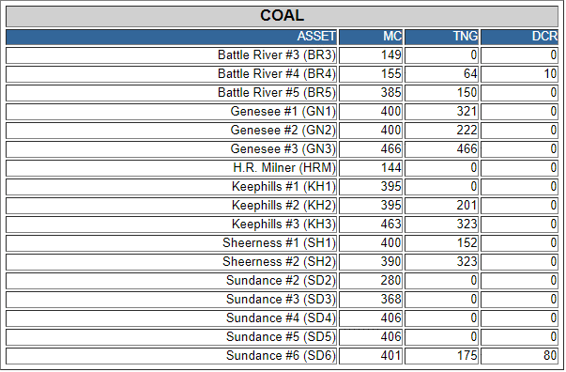
Power station | Capacity (MW) | Retirement (imder CEPA 2012 regs)
Milner 1 | 144 | 2019 | y
Battle River 3 | 149 | 2019 | y
Battle River 4 | 155 | 2025 | y
Sundance 1 | 288 | 2019 | y
Sundance 2 | 288 | 2019 | y
Sundance 3 | 368 | 2026 | y
Sundance 4 | 406 | 2027 | y
Sundance 5 | 406 | 2028 | y
Sundance 6 | 401 | 2029 | y
Battle River 5 | 385 | 2029 | y
Keephills 1 | 395 | 2029 | y
Keephills 2 | 395 | 2029 | y
Sheerness 1 | 400 | 2036 | y
Sheerness 2 | 390 | 2040 | y
Genesee 2 | 400 | 2039 | y
Genesee 1 | 400 | 2044
Genesee 3 | 466 | 2055
Keephills 3 | 463 | 2061

2006 | 2007 | 2008 | 2009 | 2010 | 2011 | 2012 | 2013 | 2014 | 2015 | 2016 | 2017 | 2018 | 2019 | 2020 | 2021 | 2022 | 2023 | 2024 | 2025 | 2026 | 2027 | 2028 | 2029 | 2030 | 2031 | 2032 | 2033 | 2034 | 2035 | 2036 | 2037 | 2038 | 2039 | 2040 | 2041 | 2042 | 2043 | 2044 | 2045 | 2046 | 2047 | 2048 | 2049 | 2050 | 2051
0 | 0 | 0 | 0 | 0 | 0 | 0 | 0 | 0 | 0 | 0 | 0 | 0 | 0 | 869 | 0 | 0 | 0 | 0 | 0 | 155 | 368 | 406 | 406 | 1576 | 0 | 0 | 0 | 0 | 0 | 0 | 400 | 0 | 0 | 400 | 390 | 0 | 0 | 0 | 400 | 0 | 0 | 0 | 0 | 0 | 0

